Sheet1
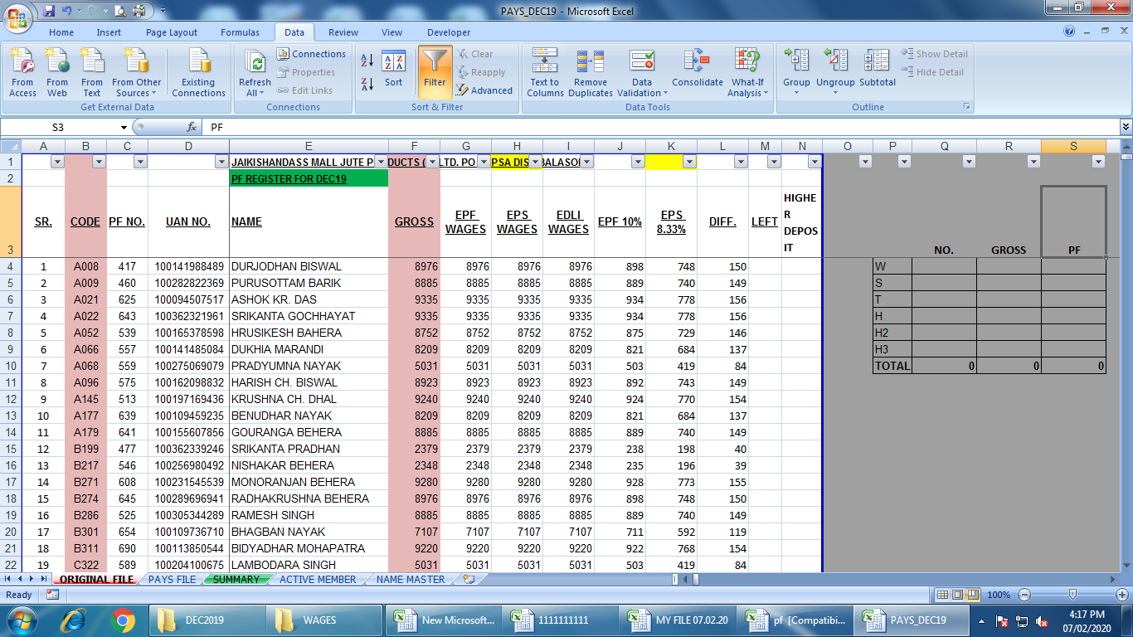
1 | EMPLOYEE MASTER

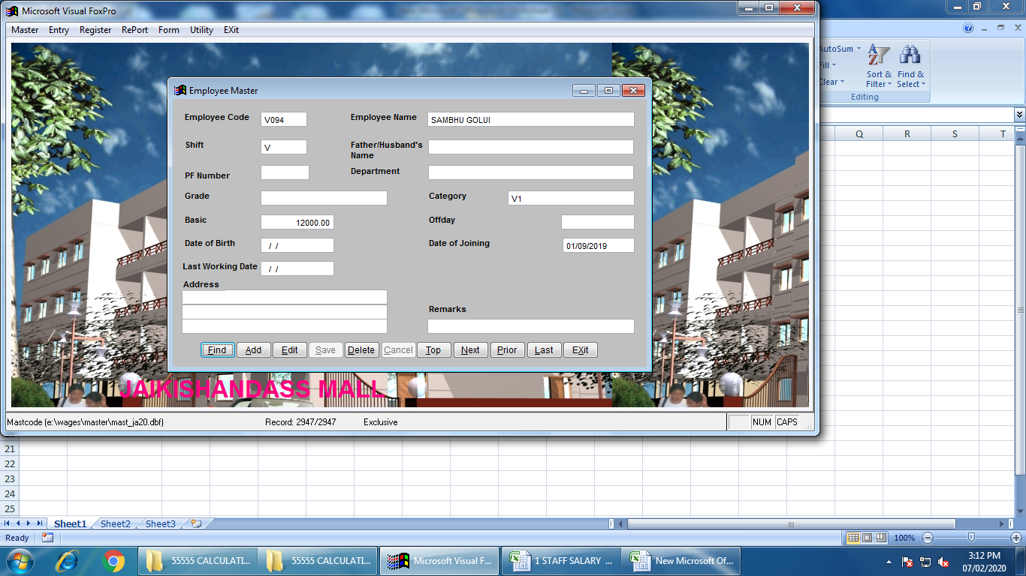

2 | ATTANDANCE ENTRY

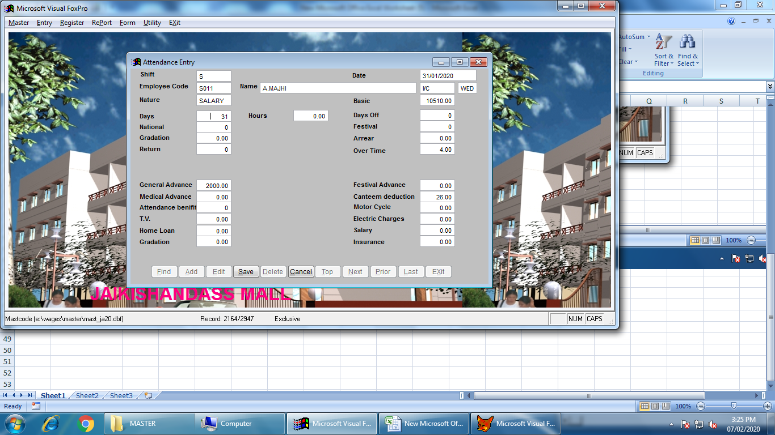

USER PUY ONLY EMPLOYEE CODE

THESE FIELD TO BE FILLED BY USER

3 | REGISTER, SALARY/ WAGES

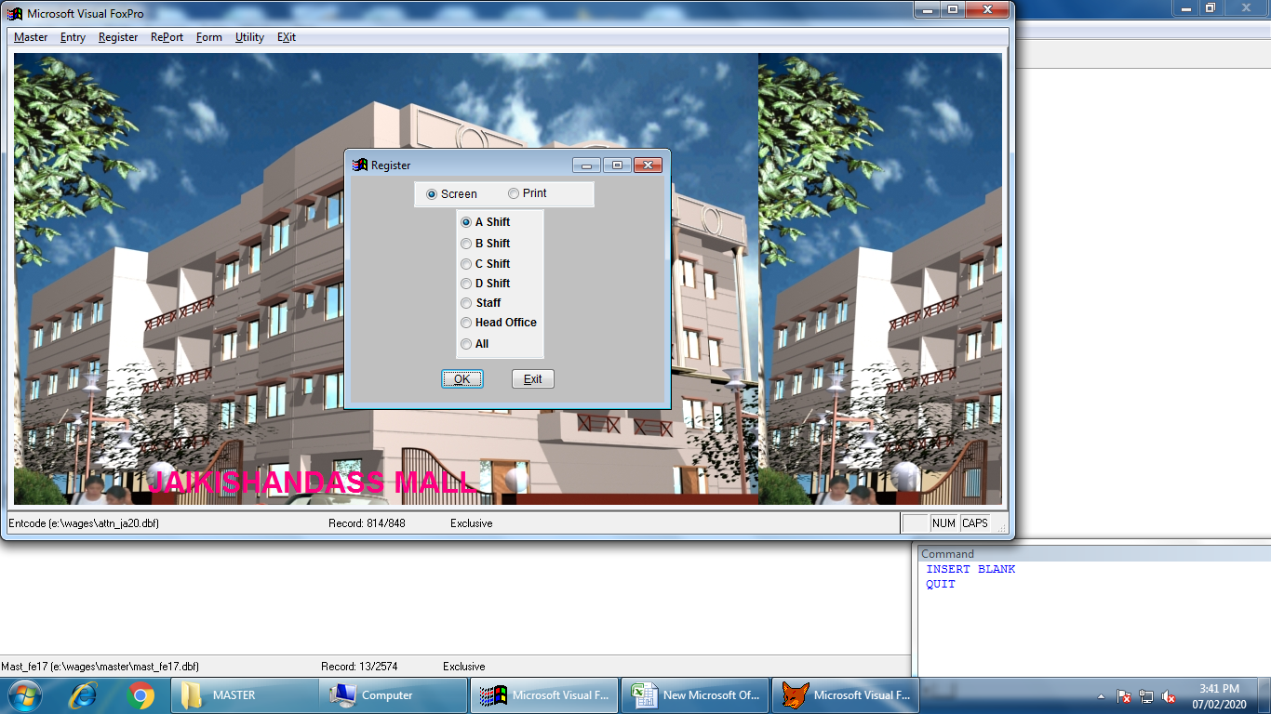

4 | REGISTER FORMAT

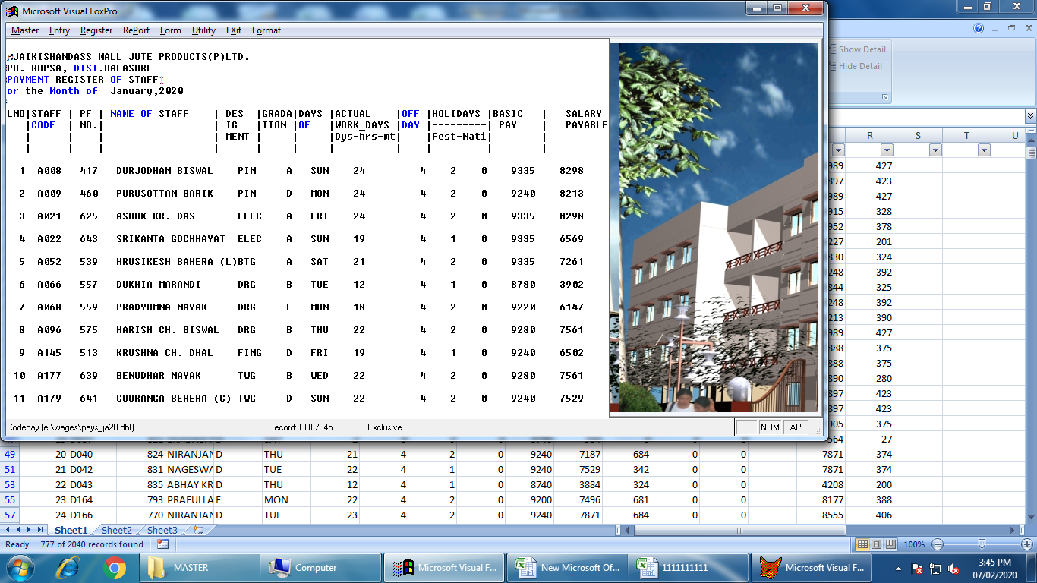

5 | P F REGISTER

 | PF NO | EMPLOYEE NAME | GROSS SALARY | EMPLOYEE PF

